Rules
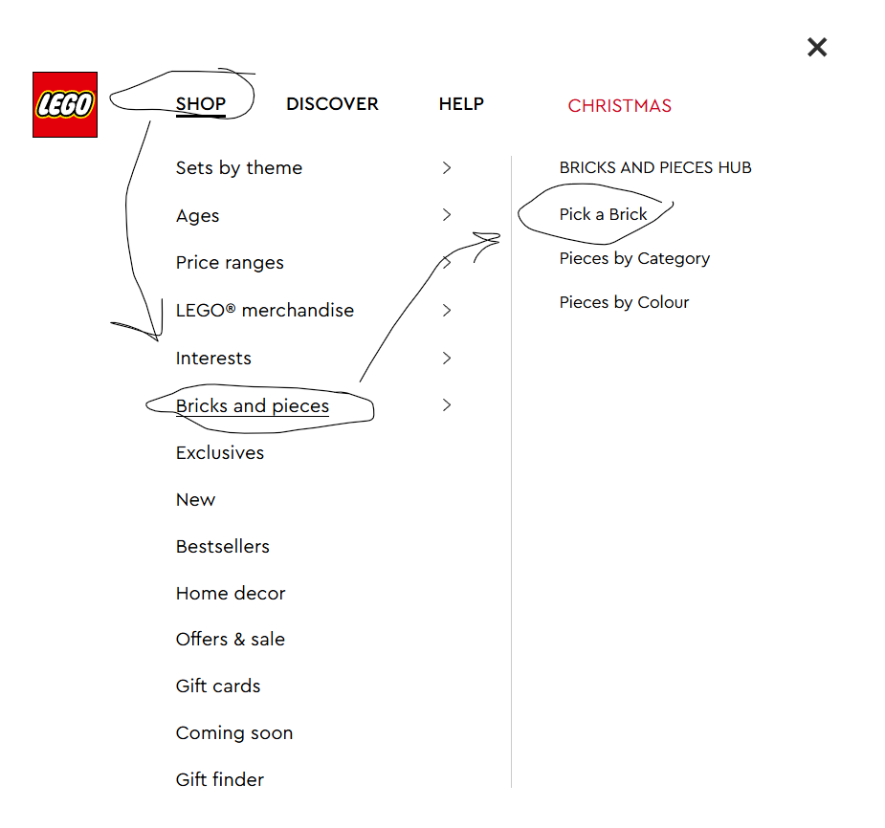
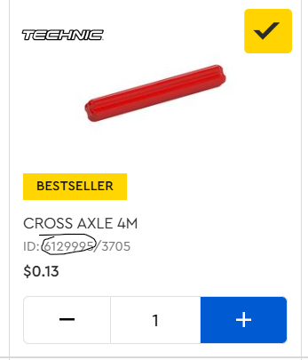
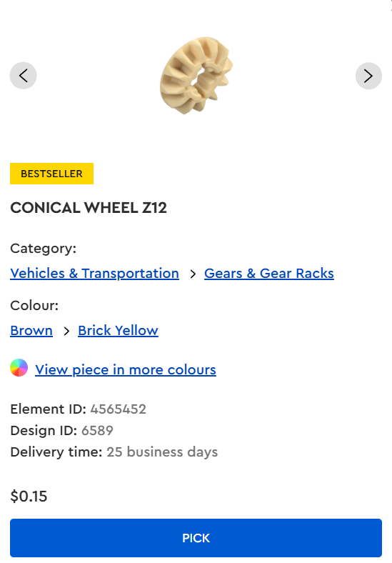
Please Don’t change any of the headings
Don't change anything already typed in
Use the official lego website only
We buy off different websites

